Correlation Matrix
Station-Level Correlation Matrix (numbers = p-values; bold indicates <0.05; color indicates direction and magnitude of Kendall-Tau correlation coefficient)

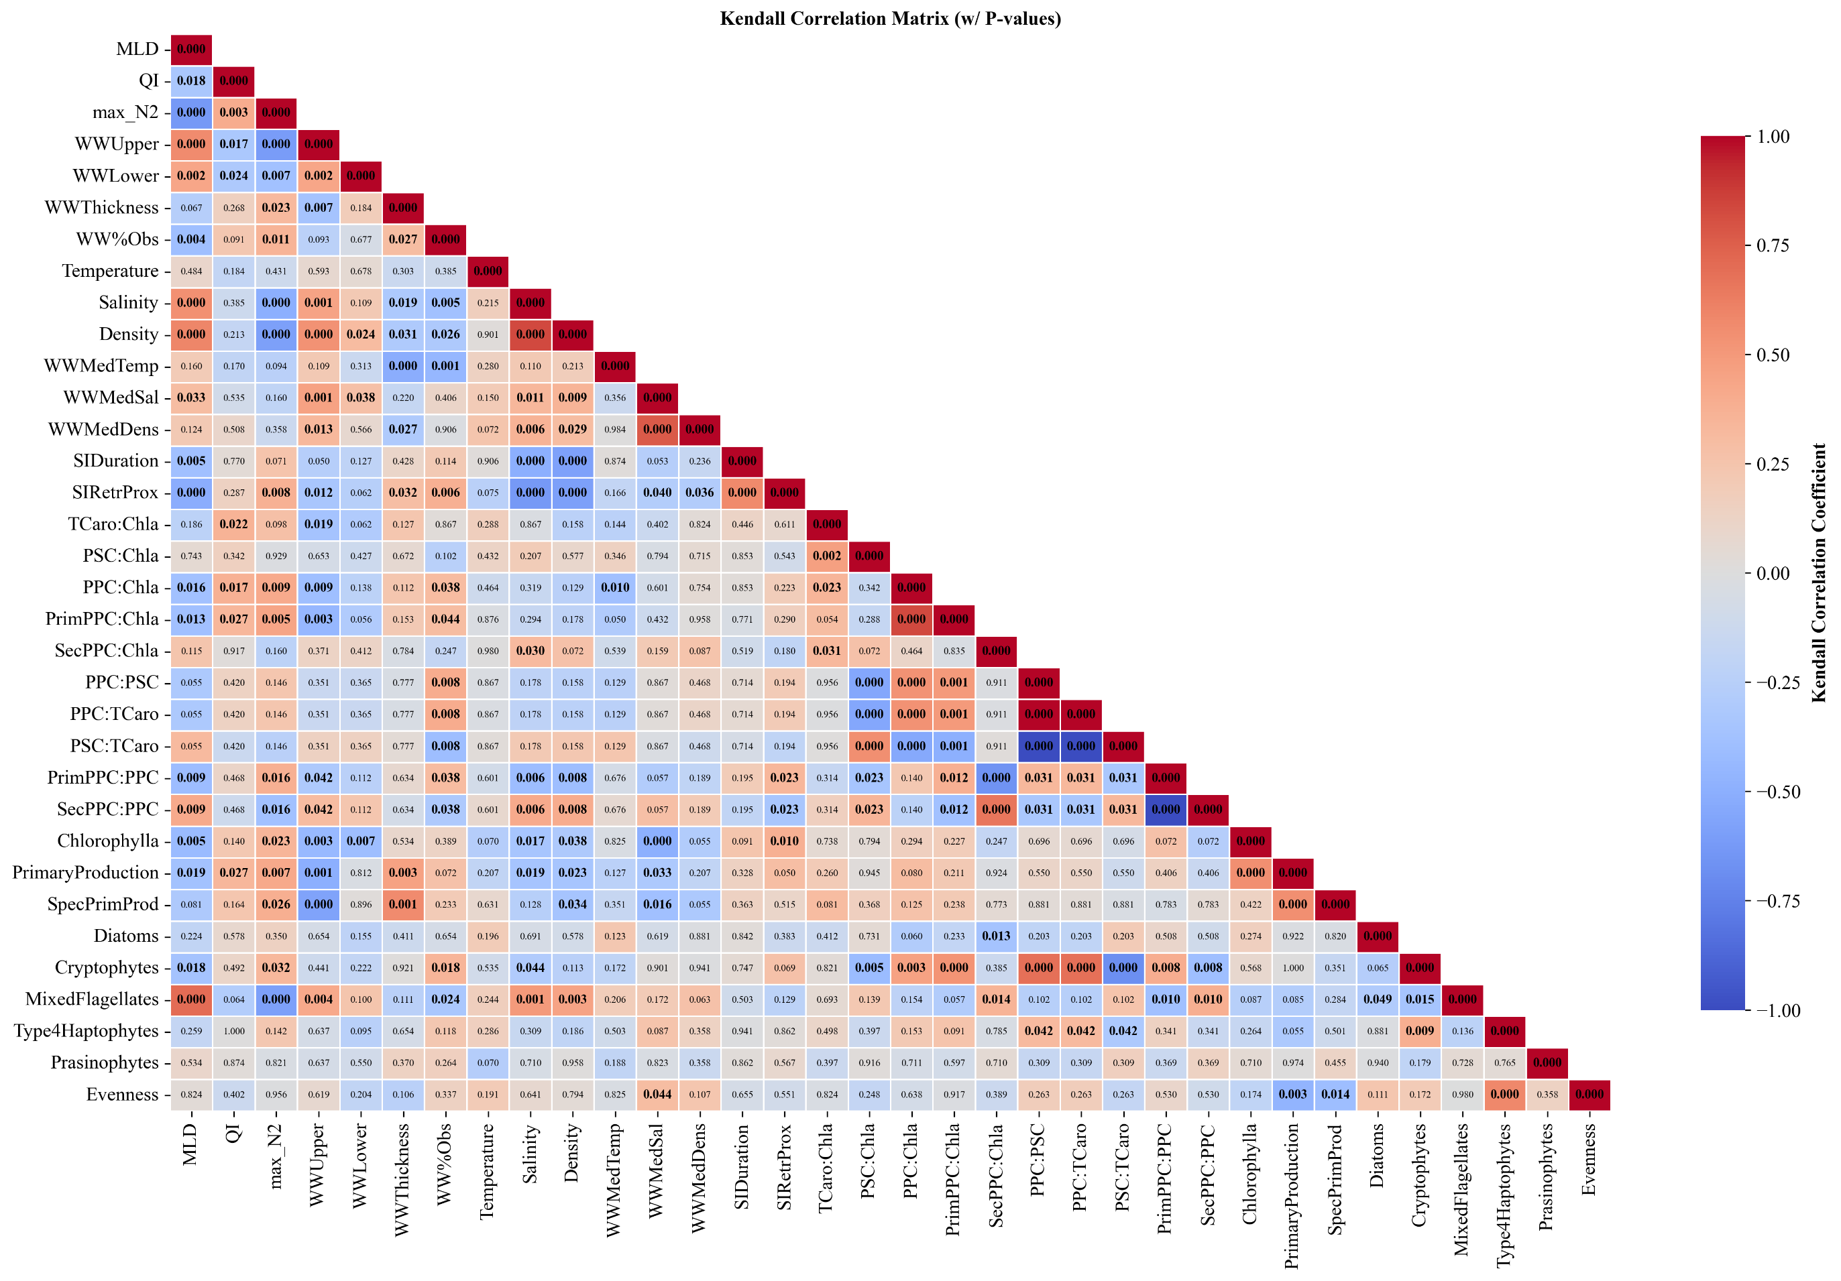

Surface Structure

Subsurface Structure

Surface Hydrography

Suburface Hydrography

Seasonal Sea Ice

Photophysiological Indices

Growth Metrics

Community
Composition

